Sheet1
Wheel Dia | Max Speed desired | Actual Speed | Child Weight | Battery Weight | Kart Weight | Motor Weight | Total Weight | Time to Max Spd | # of Wheels | Losses | Power/Wheel | Torque/Wheel | Wheel Speed | Wheel Sprocket | Gear Ratio | Motor Spro. | Motor Speed Average | Max Spro. Dia
(mm) | (km/h) | (km/h) | (kg) | (20AH) | (kg) | (kg) | (kg) | (secs) | (driven) | (%) | (Watts) | (NM) | (RPM) | (Teeth) |  | (Teeth) | (RPM) | mm
150 | 15 | 15.2 | 20 | 6 | 15 | 2.8 | 43.8 | 5 | 2 | 25% | 102 | 1.8 | 536 | 47 | 5.2 | 9 | 2,800 | 50
200 | 15 | 17.3 | 20 | 6 | 15 | 2.8 | 43.8 | 5 | 2 | 25% | 117 | 2.4 | 458 | 55 | 6.1 | 9 | 2,800 | 100
250 | 15 | 21.6 | 20 | 6 | 15 | 2.8 | 43.8 | 5 | 2 | 25% | 146 | 3.0 | 458 | 55 | 6.1 | 9 | 2,800 | 150
250 | 15 | 16.5 | 20 | 6 | 15 | 2.8 | 43.8 | 5 | 2 | 25% | 111 | 3.0 | 350 | 72 | 8.0 | 9 | 2,800 | 150
300 | 15 | 17.8 | 20 | 6 | 15 | 2.8 | 43.8 | 5 | 2 | 25% | 120 | 3.7 | 315 | 80 | 8.9 | 9 | 2,800 | 200
Operation Specifications |  |  |  |  |  |  |  |  |  |  |  |  | Electrical Components
 | Ground clearance |  |  | 50 | mm |  |  |  |  |  |  |  | Fuse Holder/Isolator
 | Seat Size |  |  | 350 * 250 | mm |  |  |  |  |  |  |  |  | Part No | DIN Rail Mount 38x10mm 1P Cylindrical Fuse Holder AC 660V 32A
 | Maximum Width |  |  | 400 | mm |  |  |  |  |  |  |  |  | Length | 79 | mm
Component Specifications |  |  |  |  |  |  |  |  |  |  |  |  |  | Width | 62 | mm
Motor |  |  |  |  |  |  |  |  |  |  |  |  |  | Tall | 18 | mm
 | Supplier |  | Motion Dynamics |  |  |  |  |  |  |  |  |  |  | Supplier | Solaluna88
 | Part No |  | My6812 12V DC 150W Motor (Chain)
 | Power |  | 150 | Watts | (as a check mobilty scooters are typically 300 - 600 watts) |  |  |  |  |  |  |  | On/Off Switch
 | Voltage |  | 12 | VDC |  |  |  |  |  |  |  |  |  | SPST Panel Mounted 3P Blue Indication Light Snap in Rocker Car Switch 12VDC 25A
 | Loaded rpm range |  | 2600 | 3000 | rpm | Average 2800 | 2800 | rpm |  |  |  |  |  | Current | 25 | A
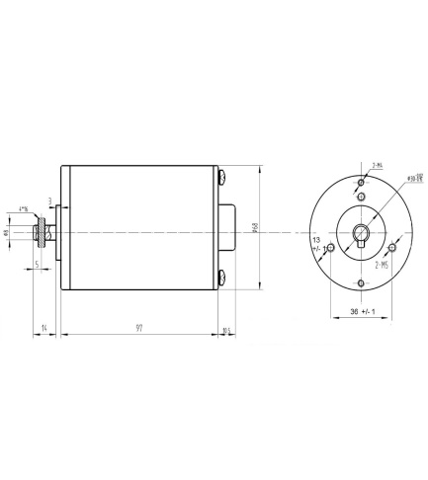
 | Torque |  | 0.56 | NM |  |  |  |  |  |  |  |  |  | Voltage | 15 | A
 | Weight |  | 1.4 | Kgs |  |  |  |  |  |  |  |  |  | Supplier | solaluna88 eBay
 | Rated Current |  | 14.3 | A
 | Sprocket |  | 9 | Tooth #25 |  |  |  |  |  |  |  |  | Speed Contoller
 | Length | 125 | mm |  |  |  |  |  |  |  |  |  |  | 20A DC12V24V36V48V PWM HHO RC Motor Speed Regulator Controller Switch
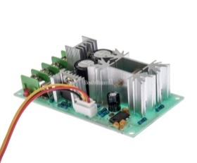
 | Diameter | 68.0 | mm |  |  |  |  |  |  |  |  |  |  | Length | 77 | mm
 | Body Length |  | 110.5 | mm |  |  |  |  |  |  |  |  |  | Width | 45.0 | mm
 | Sprocket from end |  | 5 | mm |  |  |  |  |  |  |  |  |  | Tall | 28.0 | mm

Sprocket |  |  |  |  |  |  |  |  |  |  |  |  |  | PCB Size | PCB Size: 73 x 44mm
 | Supplier |  | jamestars Ebay |  |  |  |  |  |  |  |  |  |  | Supplier | befdimall eBay
 | for wheel |  |  |  | 250 | mm | 9.8 | Inches
 | Outside Dia |  |  |  | 141 | mm
 | Inside Diameter |  |  |  | 26 | mm |  |  |  |  |  |  | Reversing Relay
 | Teeth |  |  |  | 68 |  |  |  |  |  |  |  |  | C 12V Coil 30A General Purpose Power Relay 8 Pin DPDT JQX-30F 2 NO NC
 | Sprocket to ground clear. |  |  |  | 54.5 | mm |  |  |  |  |  |  |  | HHC71A | Alternate Part number
Wheel |  |  |  |  |  |  |  |  |  |  |  |  |  | Length | 52.0 | mm
 | Supplier |  | Showground markets |  |  |  |  |  |  |  |  |  |  | Width | 35.0 | mm
 | Diameter |  | 250 | mm |  |  |  |  |  |  |  |  |  | Tall | 48.0 | mm
 | Axle |  | 20.5 | mm | (.8 inch) |  |  |  |  |  |  |  | Supplier | solaluna88 eBay
 | Width |  | 80 | mm
 | Bolt Pattern |  | 70 | mm | Diagnoal |  |  |  |  |  |  |  | Din Rail
 | Bolt to Bolt |  | 50 | mm |  |  |  |  |  |  |  |  |  | Size | 35 | mm
 | Bolts Dia |  | 8 | mm |  |  |  |  |  |  |  |  |  | Length | 400 | mm
 | Bolt to Axle Centres |  | 35.4 | mm |  |  |  |  |  |  |  |  |  | Supplier | solaluna88 eBay
 | Bearing overhand 2mm |  | 2 | mm
 | Bearing length ext |  | 69 | mm |  |  |  |  |  |  |  |  | Computer
 | Bearing length int |  | 12 | mm |  |  |  |  |  |  |  |  |  | Arduino | Uno
 | Solid | Non neumatic |  |  |  |  |  |  |  |  |  |  |  | Length | 75.0 | mm | Unplugged
 |  |  |  |  |  |  |  |  |  |  |  |  |  | Length | 130.0 | mm | With USB plugged in
Battery |  |  |  |  |  |  |  |  |  |  |  |  |  | Width | 55.0 | mm
 |  | Fusion |  |  |  |  |  |  |  |  |  |  |  | Tall | 15.0 | mm | no I/O cable
 |  | Sealed |  |  |  |  |  |  |  |  |  |  |  | Tall | 35.0 | mm | With I/O cable
 | AH | 20
 | Length | 181.5 | mm |  |  |  |  |  |  |  |  |  | Din Rail
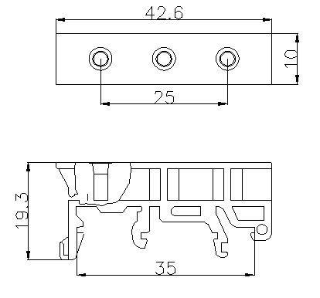
 | Width | 77.0 | mm |  |  |  |  |  |  |  |  |  |  | PCB Circuit Board Mounting Bracket For DIN
 | Height | 167.5 | mm
 | Terminal Height | 167.5 | mm |  |  |  |  |  |  |  |  |  |  | Supplier | horse3109 eBay
 | Weight | 5.8 | kg
 | Cost | 71.5
 | Delivery | 17.0

Bearings
 | Sprocket |  |  |  | Sleeves |  |  |  | Washers |  |  |  |  | Notes/Actions
 | Grooved Single row flanged |  |  |  | Spacer |  |  |  | M10 |  |  |  |  | Add 2 washers to inside axle to allow for horizontal posstion adjustment of the Sprocket
 | ID | 10.0 | mm |  | ID | 10 | mm |  | ID | 10 | mm
 | OD | 26.0 | mm |  | OD | 12 | mm |  | OD | 20 | mm |  |  | Order rubber lined 20mm pipe clamp for mounting jockey wheel
 | Length | 8.0 | mm |  | Length | 15 | mm |  | Width | 2 | mm
 | d1 | 14.8 | mm |  | Material |  | Metal |  |  |  |  |  |  | Consider a kill switch |  |  | ebaY
 | Supplier | solaluna88 ebay |  |  | Supplier | solaluna88 ebay |  |  | Custom
 |  |  |  |  |  |  |  |  | ID | 10 | mm |  |  | Brakes Brakes ????
 |  |  |  |  | Wheel |  |  |  | OD | 30 | mm
 |  |  |  |  | ID | 10 | mm |  | Width | 2 | mm
 |  |  |  |  | OD | 20 | mm
 |  |  |  |  | Length | 70 | mm

Chain
 | Size | 25 | H
 | Links | 136
 | Supplier | beautyzz2009 eBay

Chain Adjusters
 | Axle | 12 | mm
 | Size | 55 | mm
 | Supplier | blygo_parts eBay

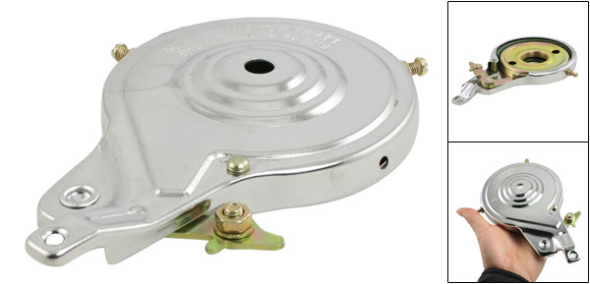
Rear Brakes
 | Electric Scooters Bike 4.25" Dia Rear Wheel Brake Drum
 | Length | 175 | mm
 | Diameter | 108 | mm
 | Height | 16.0 | mm
 | Supplier | gadgets leader eBay
 | Drum | 33.6 | mm | ID | 10.0 | mm | deep
 |  | 90.3 | mm | OD | 13.0 | mm | deep
 | Bush | 20.3 | mm | deep
 |  | 33.0 | mm | ID
 |  | 45.0 | mm | OD
 |  | 9.0 | mm | Flange | deep
Brake Levers |  | 11.0 | mm | Non Flange | deep
 | Size | ??
 | Supplier | wind-speed168
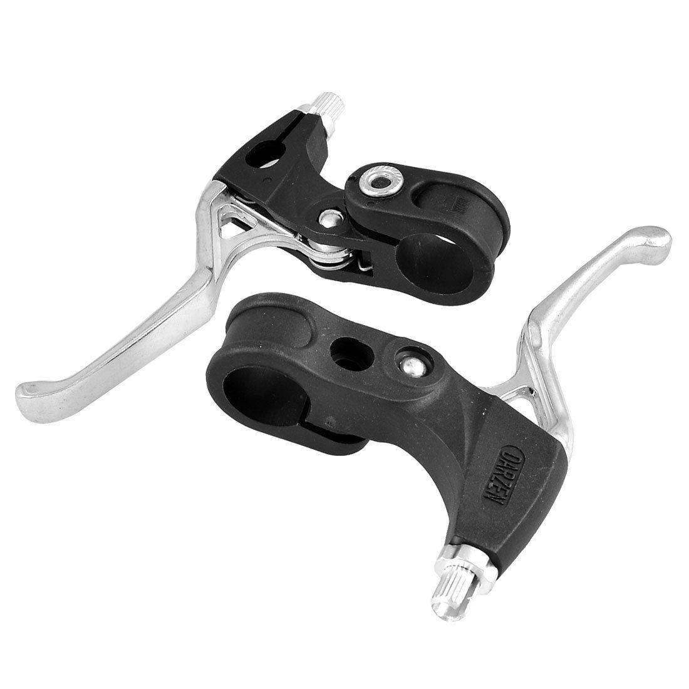
Brake Cable
 | Length | 1.8 | m
 | Supplier | gadgets leader eBay

Front Arms
 | Quick Release Seat Binber Post Clamp Skewer Bolt
 | Length | 125.0 | mm
 | Supplier | 7daysell eBay

